BUG TRACKING
ARAVINDA HOSPITAL
OS:WINDOWS |  |  |  | DATE:19/11/2024
TESTED BY:SURYAMOL P.S |  |  |  | VERIFIED BY:GREESHMA MOHAN
BUG ID | TEST ID | DESCRIPTION | SCREENSHOT | SEVERITY | PRIORITY | STATUS
BUG_AH_01 | AH_DP_14 | ON SELECTING THE 1ST AMOUNT OPTION FOR DONATION NOT CORRECTLY DISPLAYED THE SELECTED AMOUNT IN THE DONATION FOR ONE FREE DIALYSIS FIELD. | 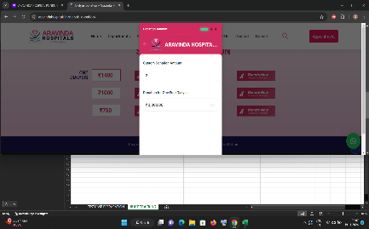 | MAJOR | HIGH | NEW
BUG_AH_02 | AH_DP_26 | ON SELECTING THE 5TH AMOUNT OPTION FOR DONATION NOT CORRECTLY DISPLAYED THE SELECTED AMOUNT IN THE DONATION FOR ONE FREE DIALYSIS FIELD. |  | MAJOR | HIGH | NEW
BUG_AH_03 | AH_DP_44 | ON ENTERING INVALID ADDRESS NOT SHOWS ANY ERROR MSG. | 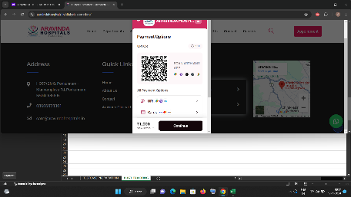 | MINOR | MEDIUM | NEW
BUG_AH_04 | AH_BP_119 | ON ENTERING INVALID NAME NOT SHOWS ANY ERROR MSG. | 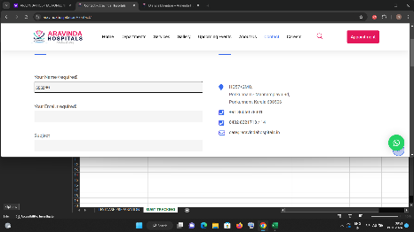 | MAJOR | HIGH | NEW
BUG_AH_-05 | AH_BP_127 | NO DETAILS IS DISPLAYED IN THE CARRER SECTION. | 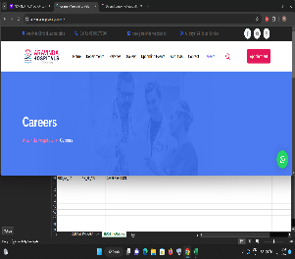 | TRIVIAL | LOW | NEW
BUG_AH_06 | AH_BP_128 | NO DETAILS IS DISPLAYED IN THE APPOINTMENT SECTION. | 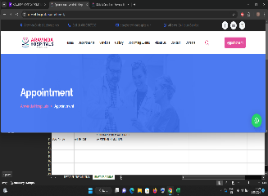 | MAJOR | HIGH | NEW
BUG_AH_07 | AH_BP_144 | THE SUBSCRIBE BUTTON IS NOT WORKING PROPERLY. |  | MINOR | MEDIUM | NEW
BUG_AH_08 | AH_DS_171 | NO DETAILS IS DISPLAYED IN THE PHYSIOTHERAPY SECTION. | 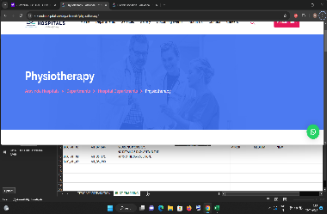 | ENHANCEMENT | LOW | NEW
BUG_AH_09 | AH_DS_190 | NO DETAILS IS DISPLAYED IN THE HEALTH CARE PAGE. |  | ENHANCEMENT | LOW | NEW
BUG_AH_10 | AH_DS_237 | NO DETAILS IS DISPLAYED IN THE UPCOMING EVENTS PAGE. |  | ENHANCEMENT | LOW | NEW

BUG REPORT
BUG REPORT

 | MODULE NAME | NO OF BUGS
 | HOME PAGE | 0
 | DONATION PAGE | 3
 | PAYMENT PAGE | 0
 | BASIC INFO PAGE | 4
 | DEPARTMENT AND SERVICE SECTION | 3
 | TOTAL ERRORS | 10

